Execution Times
 | Carrier Delay
Iteration | Spark-SQL | HiveQL
1 | 7.601 | 6.55
2 | 7.22 | 8.944
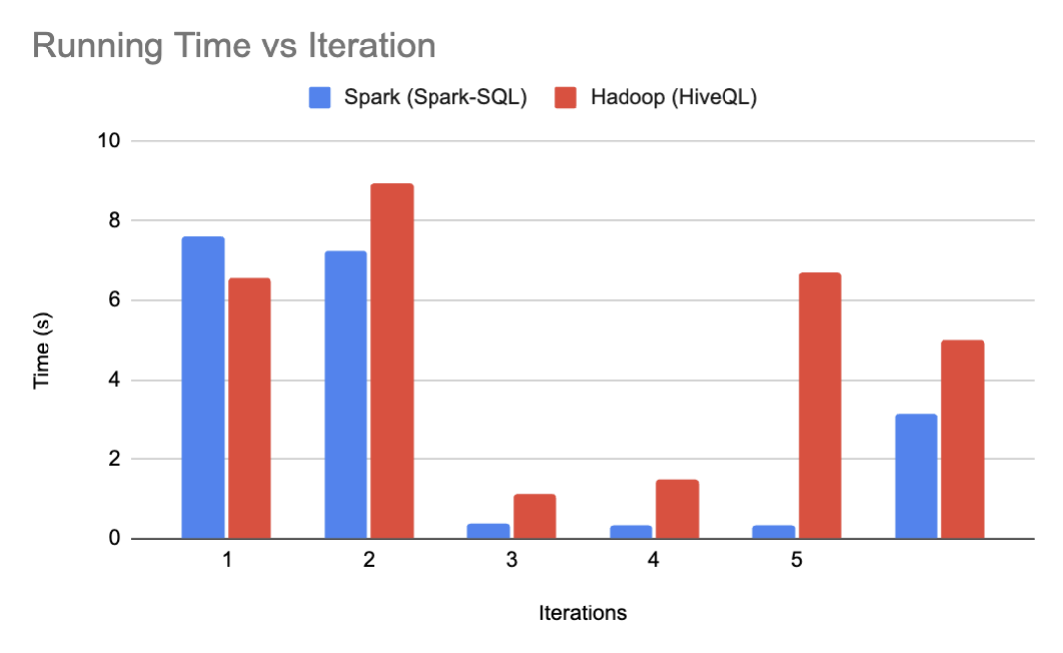
3 | 0.368 | 1.155
4 | 0.323 | 1.521
5 | 0.322 | 6.714
 | 3.1668 | 4.9768

 | NAS Delay
Iteration | Spark-SQL | HiveQL
1 | 7.526 | 6.232
2 | 0.349 | 1.23
3 | 0.304 | 1.291
4 | 0.296 | 1.214
5 | 0.29 | 1.343
 | 1.753 | 2.262

 | Weather Delay
Iteration | Spark-SQL | HiveQL
1 | 7.621 | 6.789
2 | 0.385 | 1.251
3 | 0.559 | 1.307
4 | 0.329 | 1.379
5 | 0.302 | 1.171
 | 1.8392 | 2.3794

 | Late Aircraft Delay
Iteration | Spark-SQL | HiveQL
1 | 7.403 | 6.498
2 | 0.342 | 1.371
3 | 0.259 | 3.914
4 | 0.24 | 1.46
5 | 0.248 | 1.527
 | 1.6984 | 2.954

 | Security Delay
Iteration | Spark-SQL | HiveQL
1 | 7.612 | 6.438
2 | 0.334 | 1.484
3 | 0.311 | 1.611
4 | 0.245 | 1.276
5 | 0.375 | 1.375
 | 1.7754 | 2.4368

Average Execution Times
Time Taken by Query (seconds) | HiveQL | Spark-SQL
Year wise carrier delay from 2003-2010 | 4.9768 | 3.1668
Year wise NAS delay from 2003-2010 | 2.262 | 1.753
Year wise Weather delay from 2003-2010 | 2.3794 | 1.8392
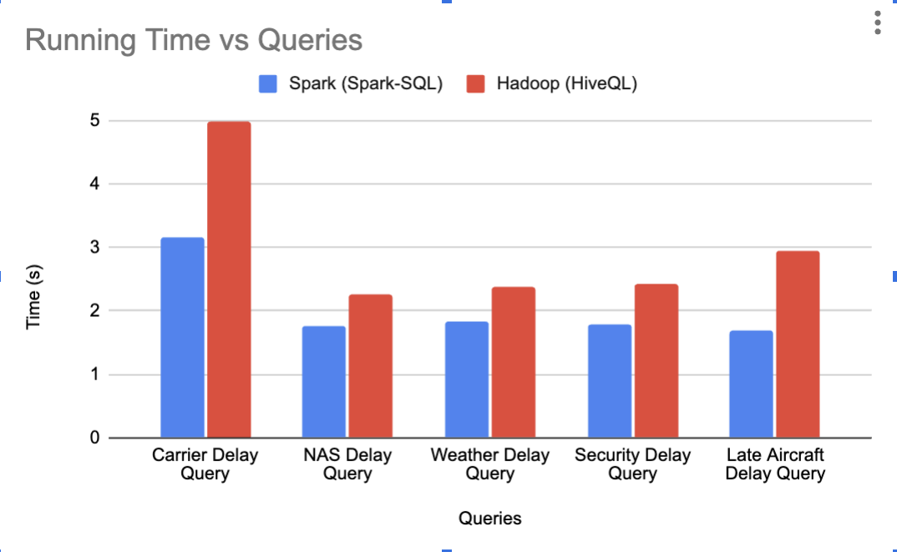
Year wise late aircraft delay from 2003-2010 | 2.954 | 1.69840
Year wise security delay from 2003-2010 | 2.4368 | 1.7754

